Script
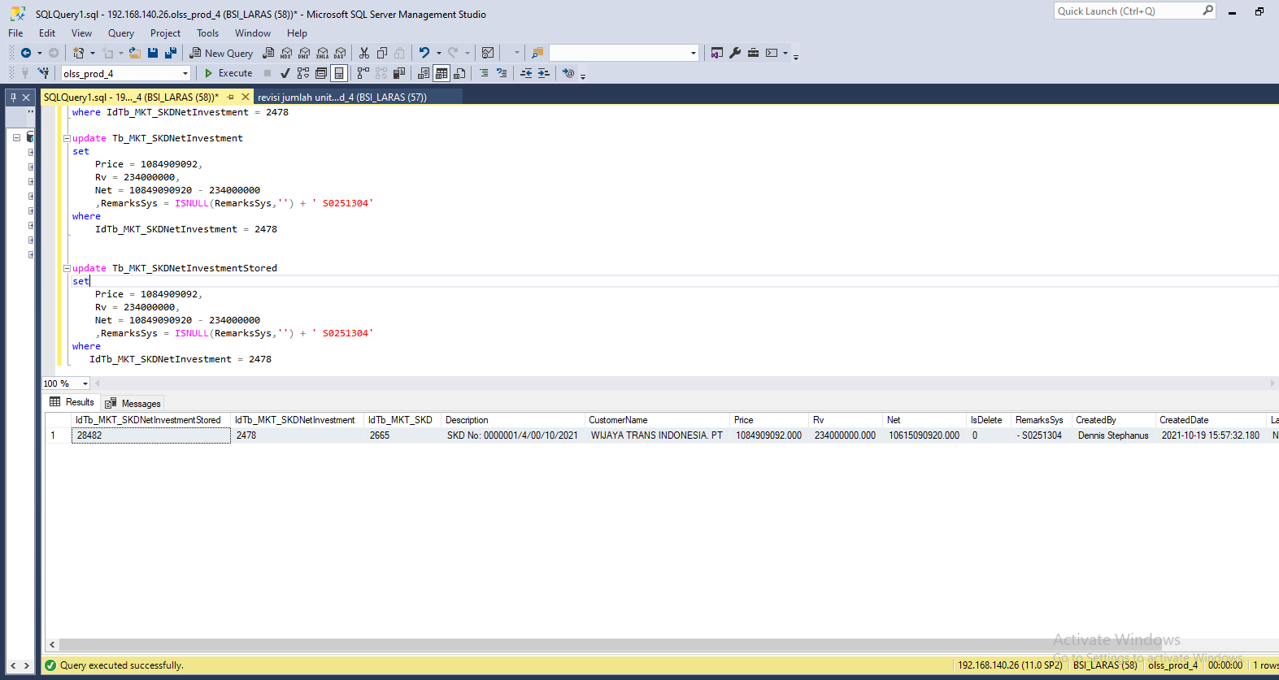
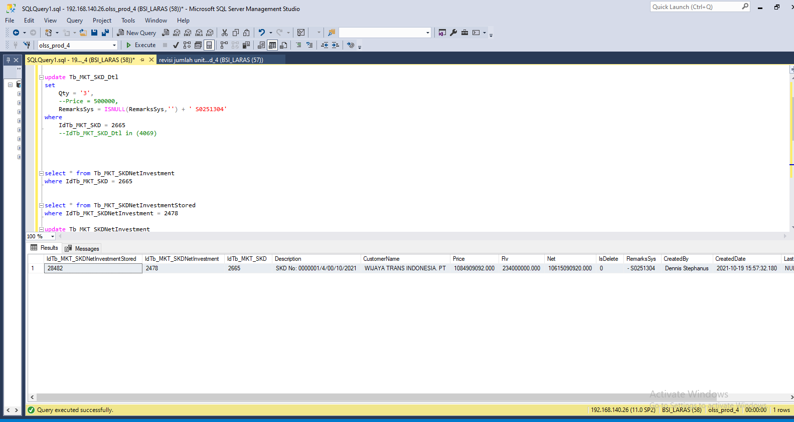
update Tb_MKT_SKD_Dtl
set
Qty = '3',
 | --Price = 500000,
RemarksSys = ISNULL(RemarksSys,'') + ' S0251304'
where
IdTb_MKT_SKD = 2665

update Tb_MKT_SKDNetInvestment
set
Price = 1084909092,
Rv = 234000000,
Net = 10849090920 - 234000000
 | ,RemarksSys = ISNULL(RemarksSys,'') + ' S0251304'
where
IdTb_MKT_SKDNetInvestment = 2478

update Tb_MKT_SKDNetInvestmentStored
set
Price = 1084909092,
Rv = 234000000,
Net = 10849090920 - 234000000
 | ,RemarksSys = ISNULL(RemarksSys,'') + ' S0251304'
where
IdTb_MKT_SKDNetInvestment = 2478

Capture
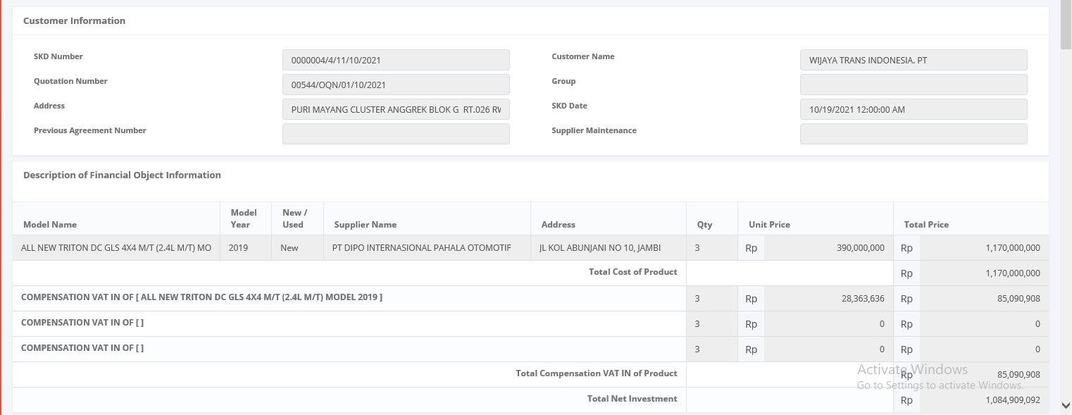
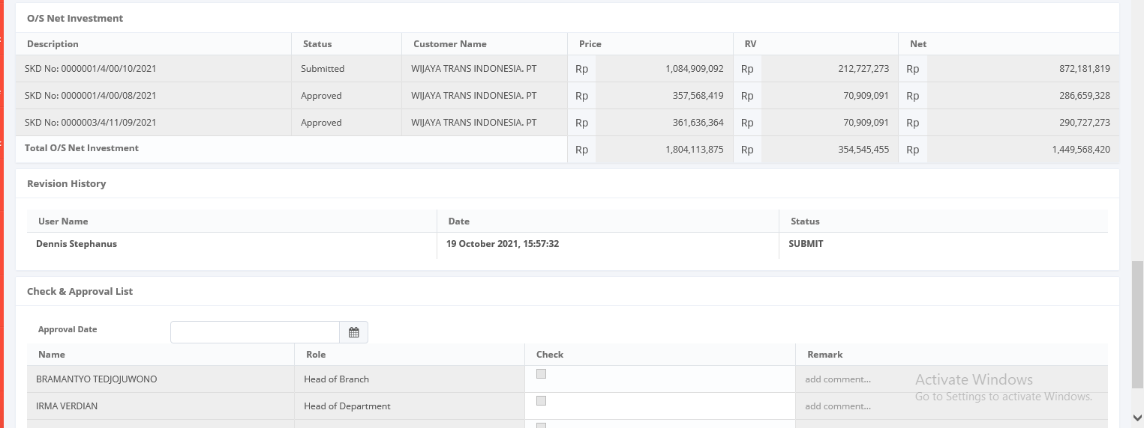
Before



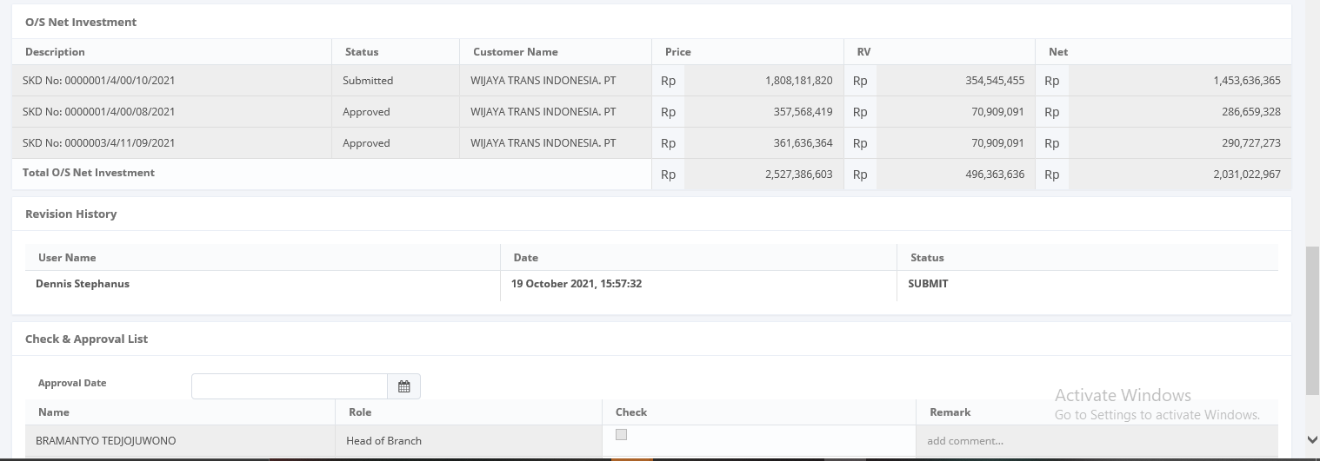

After

